Updated hist-CRPD
CRPD Level of Commitment
Bin | Frequency
1 | 1
2 | 4
3 | 2
4 | 22
5 | 33
More | 0

Updated hist-Safety
Safety
Bin | Frequency
0 | 0
10 | 0
20 | 0
30 | 2
40 | 2
50 | 6
60 | 18
70 | 13
80 | 14
90 | 1
100 | 0
More | 0

Updated hist-Corruption
Corruption
Bin | Frequency
0 | 0
10 | 0
20 | 7
30 | 4
40 | 9
50 | 6
60 | 9
70 | 7
80 | 11
90 | 9
100 | 0
More | 0

Updated hist-PWD
Bin | Frequency
1 | 0
10 | 0
20 | 3
30 | 3
40 | 13
50 | 5
60 | 7
70 | 10
80 | 9
90 | 1
100 | 5
110 | 0
120 | 0
More | 0

Updated hist-LTO
Bin | Frequency
1 | 0
10 | 0
20 | 5
30 | 8
40 | 9
50 | 9
60 | 5
70 | 7
80 | 3
90 | 8
100 | 1
110 | 0
120 | 0
More | 0

Updated hist-MASC
Bin | Frequency
1 | 0
10 | 5
20 | 4
30 | 5
40 | 3
50 | 13
60 | 9
70 | 13
80 | 1
90 | 1
100 | 2
110 | 0
120 | 0
More | 0

Histograms
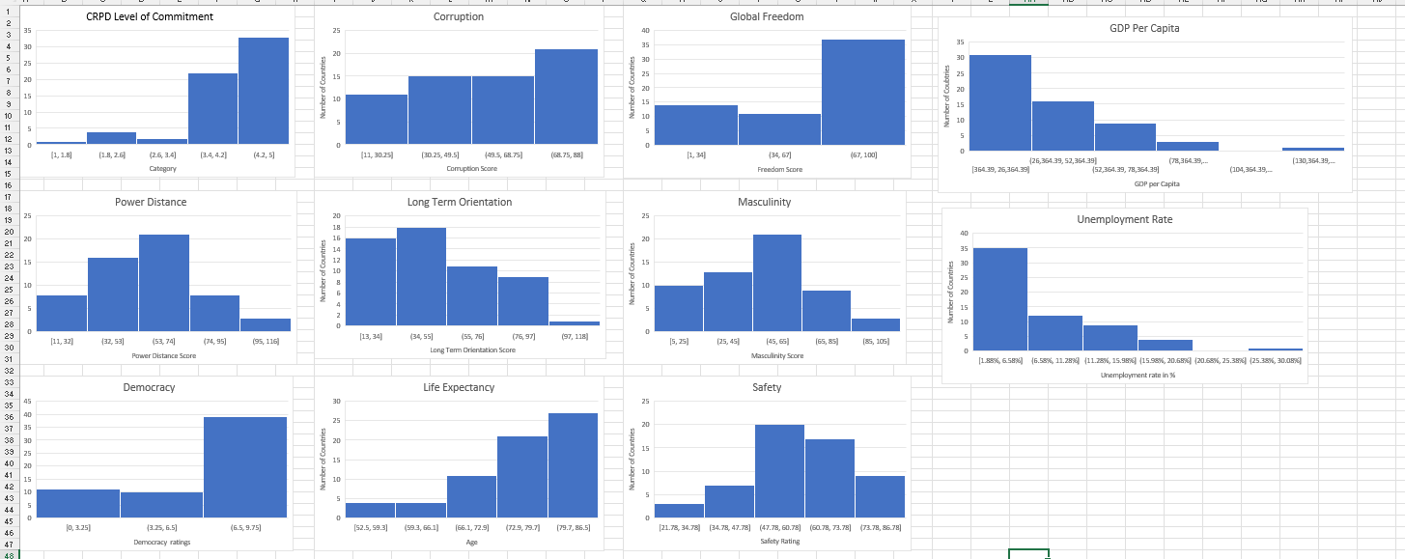
PICTURE IF FOR SOME REASON GRAPHS CANNOT BE SEEN!

